Registration
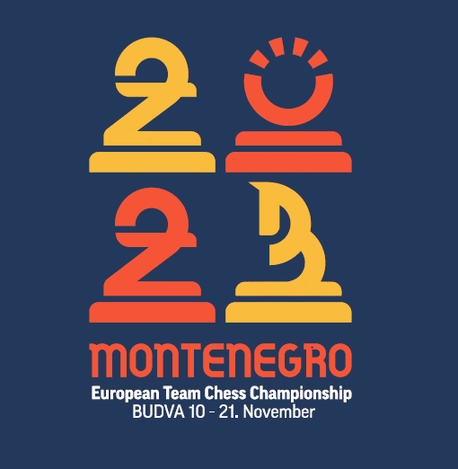

European Team Chess Championship 2023
Federation:
email, tel., fax:
Federation's official:
Tax Identification Number
Date:

No. | Surname | Name | Title | FIDE ID | Duty | Passport No. | Arrival date | Flight No. | Time | Airport | Departure Date | Flight No. | Time | Airport | Transfer
1
2
3
4
5
6
7
8
9
10
11
12
13
14
15
16
17
18
19
20
21
22
23
24
25
26
27
28
29
30

 | *Flight details can be provided separatly

Accomodations
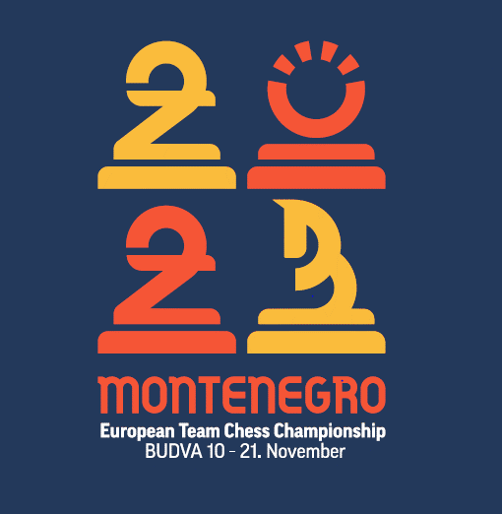
No. | FED | Surname | Name | Duty | Arrival Date | Departue Date | Total Day | Organization Fee | Hotel | Room | Price | Room Total | Total
1 |  | 0 | 0 | 0 | 2021-11-10 | 2021-11-21 | 11 | 100.00 € | Splendid | double_1 | 104.00 € | 1,144.00 € | 1,244.00 €
2 |  |  |  |  | 2021-11-10 | 2021-11-21 | 11 | 100.00 € | Splendid | double_1 | 104.00 € | 1,144.00 € | 1,244.00 €
3 |  |  |  |  | 2021-11-10 | 2021-11-21 | 11 | 100.00 € | Splendid | single_1 | 139.00 € | 1,529.00 € | 1,629.00 €
4 |  |  |  |  | 2021-11-10 | 2021-11-21 | 11 | 100.00 € | Splendid | single_2 | 149.00 € | 1,639.00 € | 1,739.00 €
5 |  |  |  |  | 2021-11-10 | 2021-11-21 | 11 | 100.00 € | Splendid | single_3 | 149.00 € | 1,639.00 € | 1,739.00 €
6 |  |  |  |  | 2021-11-10 | 2021-11-21 | 11 | 100.00 € | Splendid | apartmant_1 | 500.00 € | 5,500.00 € | 5,600.00 €
7 |  |  |  |  | 2021-11-10 | 2021-11-21 | 11 | 100.00 € | Splendid | apartmant_1 |  | 0.00 € | 100.00 €
8 |  |  |  |  | 2021-11-10 | 2021-11-21 | 11 | 100.00 € | Montenegro | double_2 | 75.00 € | 825.00 € | 925.00 €
9 |  |  |  |  | 2021-11-10 | 2021-11-21 | 11 | 100.00 € | Montenegro | double_2 | 75.00 € | 825.00 € | 925.00 €
10 |  |  |  |  | 2021-11-10 | 2021-11-21 | 11 | 100.00 € | Montenegro | single_4 | 98.00 € | 1,078.00 € | 1,178.00 €
11 |  |  |  |  | 2021-11-10 | 2021-11-21 | 11 | 100.00 € | Montenegro | single_5 | 112.00 € | 1,232.00 € | 1,332.00 €
12 |  |  |  |  | 2021-11-10 | 2021-11-21 | 11 | 100.00 € | Montenegro | double_3 | 75.00 € | 825.00 € | 925.00 €
13 |  |  |  |  | 2021-11-10 | 2021-11-21 | 11 | 100.00 € | Montenegro | double_3 | 75.00 € | 825.00 € | 925.00 €
14 |  |  |  |  | 2021-11-10 | 2021-11-21 | 11 | 100.00 € |  |  |  | 0.00 € | 100.00 €
15 |  |  |  |  | 2021-11-10 | 2021-11-21 | 11 | 100.00 € |  |  |  | 0.00 € | 100.00 €
16 |  |  |  |  | 2021-11-10 | 2021-11-21 | 11 | 100.00 € |  |  |  | 0.00 € | 100.00 €
17 |  |  |  |  | 2021-11-10 | 2021-11-21 | 11 | 100.00 € |  |  |  | 0.00 € | 100.00 €
18 |  |  |  |  | 2021-11-10 | 2021-11-21 | 11 | 100.00 € |  |  |  | 0.00 € | 100.00 €
19 |  |  |  |  | 2021-11-10 | 2021-11-21 | 11 | 100.00 € |  |  |  | 0.00 € | 100.00 €
20 |  |  |  |  | 2021-11-10 | 2021-11-21 | 11 | 100.00 € |  |  |  | 0.00 € | 100.00 €
21 |  |  |  |  | 2021-11-10 | 2021-11-21 | 11 | 100.00 € |  |  |  | 0.00 € | 100.00 €
22 |  |  |  |  | 2021-11-10 | 2021-11-21 | 11 | 100.00 € |  |  |  | 0.00 € | 100.00 €
23 |  |  |  |  | 2021-11-10 | 2021-11-21 | 11 | 100.00 € |  |  |  | 0.00 € | 100.00 €
*The table above have been edited for example. Please carefully review the form and save to your computer, different. |  |  |  |  |  |  |  |  |  |  |  |  | 20,505.00 €
* This form can also make the appropriate changes.

 | Rooms Total | Single | Double | Aparmant
 | 9 | 5 | 3 | 1

 | HOTEL "SPLENDID" 5*
 |  | Single | Double
 | Superior room 42 m2 | 139 € | 104 €
 | Superior room 42 m2 - see view | 149 € | 114 €
 | Junior apartmant 54 m2 | 500 € | per day - max 3 person
 | Welness apartmant 84 m2 | 350 € | per day - max 3 person

 | HOTEL "MONTENEGRO" 4*
 |  | Single | Double
 | Standard room 22 m2 | 98 € | 75 €
 | Superior room 27 m2 | 112 € | 89 €
 | Studio apartmant 42-57 m2 | 250 € | per day - max 3 person

